Linear Regression
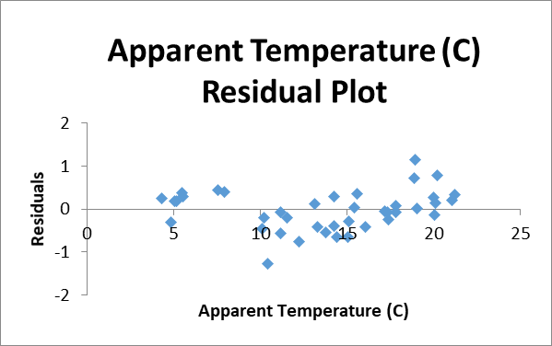
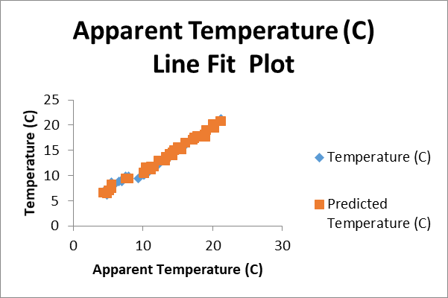
SAMPLE DATA
Formatted Date | Summary | Temperature (C) | Apparent Temperature (C) | Wind Speed (km/h)
2006-04-01 00:00:00.000 +0200 | Partly Cloudy | 9.4722222222 | 7.3888888889 | 14.1197
2006-04-01 01:00:00.000 +0200 | Partly Cloudy | 9.3555555556 | 7.2277777778 | 14.2646
2006-04-01 02:00:00.000 +0200 | Mostly Cloudy | 9.3777777778 | 9.3777777778 | 3.9284 | SUMMARY OUTPUT
2006-04-01 03:00:00.000 +0200 | Partly Cloudy | 8.2888888889 | 5.9444444444 | 14.1036
2006-04-01 04:00:00.000 +0200 | Mostly Cloudy | 8.7555555556 | 6.9777777778 | 11.0446 | Regression Statistics
2006-04-01 05:00:00.000 +0200 | Partly Cloudy | 9.2222222222 | 7.1111111111 | 13.9587 | Multiple R | 0.99493
2006-04-01 06:00:00.000 +0200 | Partly Cloudy | 7.7333333333 | 5.5222222222 | 12.3648 | R Square | 0.989886
2006-04-01 07:00:00.000 +0200 | Partly Cloudy | 8.7722222222 | 6.5277777778 | 14.1519 | Adjusted R Square | 0.989465
2006-04-01 08:00:00.000 +0200 | Partly Cloudy | 10.822222222 | 10.822222222 | 11.3183 | Standard Error | 0.453151
2006-04-01 09:00:00.000 +0200 | Partly Cloudy | 13.772222222 | 13.772222222 | 12.5258 | Observations | 51
2006-04-01 10:00:00.000 +0200 | Partly Cloudy | 16.016666667 | 16.016666667 | 17.5651
2006-04-01 11:00:00.000 +0200 | Partly Cloudy | 17.144444444 | 17.144444444 | 19.7869 | ANOVA
2006-04-01 12:00:00.000 +0200 | Partly Cloudy | 17.8 | 17.8 | 21.9443 |  | df | SS | MS | F | Significance F
2006-04-01 13:00:00.000 +0200 | Partly Cloudy | 17.333333333 | 17.333333333 | 20.6885 | Regression | 2 | 964.7247908 | 482.3624 | 2349.028 | 1.31E-48
2006-04-01 14:00:00.000 +0200 | Partly Cloudy | 18.877777778 | 18.877777778 | 15.3755 | Residual | 48 | 9.856586675 | 0.205346
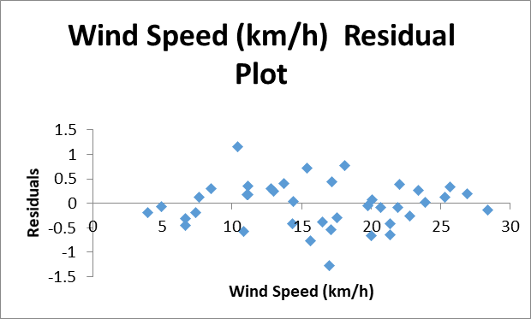
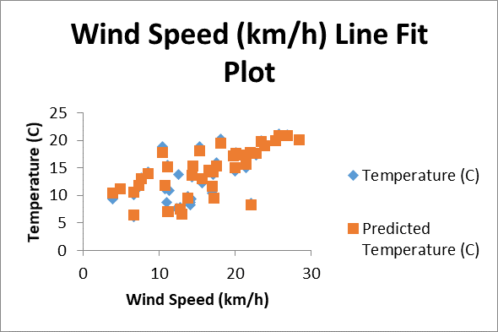
2006-04-01 15:00:00.000 +0200 | Partly Cloudy | 18.911111111 | 18.911111111 | 10.4006 | Total | 50 | 974.5813774
2006-04-01 16:00:00.000 +0200 | Partly Cloudy | 15.388888889 | 15.388888889 | 14.4095
2006-04-01 17:00:00.000 +0200 | Mostly Cloudy | 15.55 | 15.55 | 11.1573 |  | Coefficients | Standard Error | t Stat | P-value | Lower 95% | Upper 95%
2006-04-01 18:00:00.000 +0200 | Mostly Cloudy | 14.255555556 | 14.255555556 | 8.5169 | Intercept | 2.084899 | 0.189349033 | 11.01088 | 9.86E-15 | 1.704186958 | 2.46561
2006-04-01 19:00:00.000 +0200 | Mostly Cloudy | 13.144444444 | 13.144444444 | 7.6314 | Apparent Temperature (C) | 0.78148 | 0.01541882 | 50.6835 | 2.43E-43 | 0.750478097 | 0.812481
2006-04-01 20:00:00.000 +0200 | Mostly Cloudy | 11.55 | 11.55 | 7.3899 | Wind Speed (km/h) | 0.085964 | 0.013173518 | 6.525501 | 3.93E-08 | 0.05947667 | 0.112451
2006-04-01 21:00:00.000 +0200 | Mostly Cloudy | 11.183333333 | 11.183333333 | 4.9266
2006-04-01 22:00:00.000 +0200 | Partly Cloudy | 10.116666667 | 10.116666667 | 6.6493
2006-04-01 23:00:00.000 +0200 | Mostly Cloudy | 10.2 | 10.2 | 3.9284
2006-04-10 00:00:00.000 +0200 | Partly Cloudy | 10.422222222 | 10.422222222 | 16.9855
2006-04-10 01:00:00.000 +0200 | Partly Cloudy | 9.9111111111 | 7.5666666667 | 17.2109
2006-04-10 02:00:00.000 +0200 | Mostly Cloudy | 11.183333333 | 11.183333333 | 10.8192
2006-04-10 03:00:00.000 +0200 | Partly Cloudy | 7.1555555556 | 5.0444444444 | 11.0768
2006-04-10 04:00:00.000 +0200 | Partly Cloudy | 6.1111111111 | 4.8166666667 | 6.6493
2006-04-10 05:00:00.000 +0200 | Partly Cloudy | 6.7888888889 | 4.2722222222 | 13.0088
2006-04-10 06:00:00.000 +0200 | Mostly Cloudy | 7.2611111111 | 5.1555555556 | 11.1734
2006-04-10 07:00:00.000 +0200 | Mostly Cloudy | 7.8 | 5.5277777778 | 12.8156
2006-04-10 08:00:00.000 +0200 | Mostly Cloudy | 9.8722222222 | 7.9333333333 | 13.7494
2006-04-10 09:00:00.000 +0200 | Mostly Cloudy | 12.222222222 | 12.222222222 | 15.6331
2006-04-10 10:00:00.000 +0200 | Mostly Cloudy | 15.094444444 | 15.094444444 | 17.549
2006-04-10 11:00:00.000 +0200 | Mostly Cloudy | 17.355555556 | 17.355555556 | 22.7815
2006-04-10 12:00:00.000 +0200 | Mostly Cloudy | 19.005555556 | 19.005555556 | 23.8924
2006-04-10 13:00:00.000 +0200 | Mostly Cloudy | 20.044444444 | 20.044444444 | 28.3682
2006-04-10 14:00:00.000 +0200 | Mostly Cloudy | 21.05 | 21.05 | 26.9031
2006-04-10 15:00:00.000 +0200 | Mostly Cloudy | 21.183333333 | 21.183333333 | 25.6956
2006-04-10 16:00:00.000 +0200 | Mostly Cloudy | 20.116666667 | 20.116666667 | 25.3092
2006-04-10 17:00:00.000 +0200 | Mostly Cloudy | 20.216666667 | 20.216666667 | 18.1125
2006-04-10 18:00:00.000 +0200 | Mostly Cloudy | 20 | 20 | 23.4255
2006-04-10 19:00:00.000 +0200 | Mostly Cloudy | 17.8 | 17.8 | 20.0445
2006-04-10 20:00:00.000 +0200 | Mostly Cloudy | 16.061111111 | 16.061111111 | 21.3969
2006-04-10 21:00:00.000 +0200 | Mostly Cloudy | 15.022222222 | 15.022222222 | 21.3808
2006-04-10 22:00:00.000 +0200 | Overcast | 14.422222222 | 14.422222222 | 20.0123
2006-04-10 23:00:00.000 +0200 | Overcast | 14.255555556 | 14.255555556 | 16.5025
2006-04-11 00:00:00.000 +0200 | Overcast | 13.772222222 | 13.772222222 | 17.0982
2006-04-11 01:00:00.000 +0200 | Overcast | 13.283333333 | 13.283333333 | 14.3612
2006-04-11 02:00:00.000 +0200 | Overcast | 8.6333333333 | 5.4666666667 | 22.0409

